Sedan (CAT B)
CAPITAL COST PROJECTION FOR Sedan(CAT B) caa 22 July 2026

S/N | Description | Price | Remarks | Car Price Estimation | Dongfeng 007 Electric | Tesla Model 3 Electric | BYD Seal Electric | IM 5 EV | Mercedes-Benz CLA Electric | BMW i4 Gran Coupe Electric | Volvo ES90 Electric | BMW i5 Electric
Dongfeng 007 Electric - Marked |  |  |  | Price Listed on SCM | 219,888 | 222,999 | 221,388 | 271,888 | 286,888 | 366,888 | 360,000 | 431,888
4 | Marked Vehicle | $145,698.70 | a. Vehicle Price (w/o COE) and adding a 30% buffer): b. Exclude VES and EEAI rebates c. COE (taking peak value for last 2 years and adding 20% buffer) | Less COE Price | 130,889 | 130,889 | 130,889 | 130,889 | 130,889 | 130,889 | 130,889 | 130,889
5 | Integration of Accessroies (e.g. Livery, lightbar, blinker lights, PA system, Siren, Mobile Radio Set integration cost, etc.) to be fitted | $31,203.60 | Reference to LOA No. MHA00004000008320 signed on May 23, including 20% buffer | Car Price (w/o COE, +30% buffer) | 115698.7 | 119743 | 117648.7 | 183298.7 | 202798.7 | 306798.7 | 297844.3 | 391298.7
6 | Contingency Sum (5% of s/n 4 and 5) | $8,845.12 |  | Exclude VES and EEAI rebate | 30000 | 30000 | 30000 | 30000 | 22500 | 30000 | 22500 | 30000
7 | Total (s/n 4 to 6) | $185,747.42 |  | COE Price (24mth-peak + 20% buffer) | 169200 | 169200 | 169200 | 169200 | 169200 | 169200 | 169200 | 169200
 |  |  |  | Total without conti | 314898.7 | 318943 | 316848.7 | 382498.7 | 394498.7 | 505998.7 | 489544.3 | 590498.7
S/N | Description | Price | Remarks | Include 5% conti | 330643.635 | 334890.15 | 332691.135 | 401623.635 | 414223.635 | 531298.635 | 514021.515 | 620023.635
Tesla Model 3 Electric - Marked
4 | Marked Vehicle | $149,743.00 | a. Vehicle Price (w/o COE) and adding a 30% buffer): b. Exclude VES and EEAI rebates c. COE (taking peak value for last 2 years and adding 20% buffer)
5 | Integration of Accessroies (Livery, lightbar, blinker lights, PA system, Siren, Mobile Radio Set integration cost, etc.) to be fitted | $31,203.60
6 | Contingency Sum (5% of s/n 4 and 5) | $9,047.33
7 | Total (s/n 4 to 6) | $189,993.93

S/N | Description | Price | Remarks | Accessories for Marked Car | Price | Price Reference from 2-Cage Dog Transporter
BYD Seal Electric - Marked |  |  |  | Lights and Siren | 7270 | 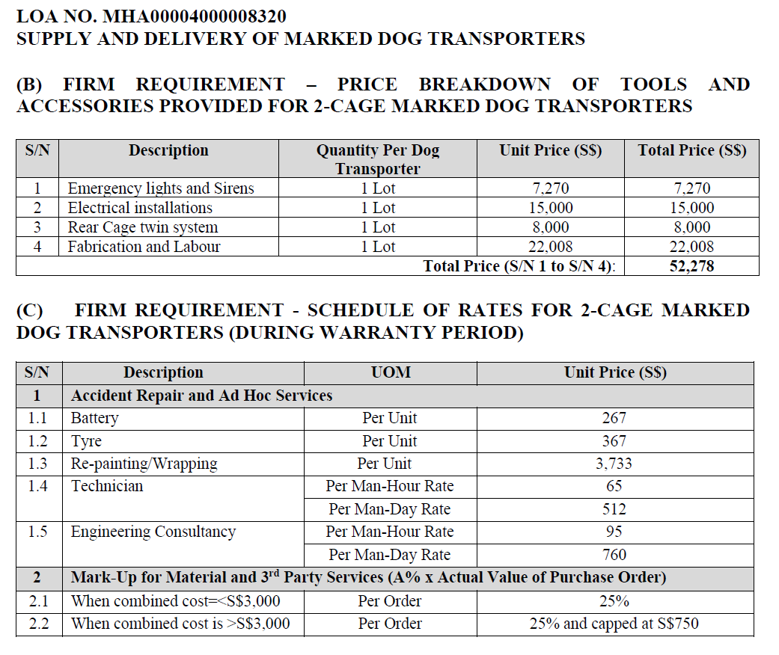
4 | Marked Vehicle | $147,648.70 | a. Vehicle Price (w/o COE) and adding a 30% buffer): b. Exclude VES and EEAI rebates c. COE (taking peak value for last 2 years and adding 20% buffer)
5 | Integration of Accessroies (Livery, lightbar, blinker lights, PA system, Siren, Mobile Radio Set integration cost, etc.) to be fitted | $31,203.60
6 | Contingency Sum (5% of s/n 4 and 5) | $8,942.62
7 | Total (s/n 4 to 6) | $187,794.92 |  | Electricial Installation | 15000

S/N | Description | Price | Remarks | Livery | 3733
IM 5 EV - Marked
4 | Marked Vehicle | $213,298.70 | a. Vehicle Price (w/o COE) and adding a 30% buffer): b. Exclude VES and EEAI rebates c. COE (taking peak value for last 2 years and adding 20% buffer) | Total (include 20% buffer) | 31203.6
5 | Integration of Accessroies (Livery, lightbar, blinker lights, PA system, Siren, Mobile Radio Set integration cost, etc.) to be fitted | $31,203.60
6 | Contingency Sum (5% of s/n 4 and 5) | $12,225.12
7 | Total (s/n 4 to 6) | $256,727.42

S/N | Description | Price | Remarks
Mercedes-Benz CLA Electric - Marked
4 | Marked Vehicle | $225,298.70 | a. Vehicle Price (w/o COE) and adding a 30% buffer): b. Exclude VES and EEAI rebates c. COE (taking peak value for last 2 years and adding 20% buffer)
5 | Integration of Accessroies (Livery, lightbar, blinker lights, PA system, Siren, Mobile Radio Set integration cost, etc.) to be fitted | $31,203.60
6 | Contingency Sum (5% of s/n 4 and 5) | $12,825.12
7 | Total (s/n 4 to 6) | $269,327.42

S/N | Description | Price | Remarks
BMW i4 Gran Coupe Electric - Marked
4 | Marked Vehicle | $336,798.70 | a. Vehicle Price (w/o COE) and adding a 30% buffer): b. Exclude VES and EEAI rebates c. COE (taking peak value for last 2 years and adding 20% buffer)
5 | Integration of Accessroies (Livery, lightbar, blinker lights, PA system, Siren, Mobile Radio Set integration cost, etc.) to be fitted | $31,203.60
6 | Contingency Sum (5% of s/n 4 and 5) | $18,400.12
7 | Total (s/n 4 to 6) | $386,402.42

S/N | Description | Price | Remarks
Volvo ES90 Electric - Marked
4 | Marked Vehicle | $320,344.30 | a. Vehicle Price (w/o COE) and adding a 30% buffer): b. Exclude VES and EEAI rebates c. COE (taking peak value for last 2 years and adding 20% buffer)
5 | Integration of Accessroies (Livery, lightbar, blinker lights, PA system, Siren, Mobile Radio Set integration cost, etc.) to be fitted | $31,203.60
6 | Contingency Sum (5% of s/n 4 and 5) | $17,577.40
7 | Total (s/n 4 to 6) | $369,125.30

S/N | Description | Price | Remarks
BMW i5 Electric - Marked
4 | Marked Vehicle | $421,298.70 | a. Vehicle Price (w/o COE) and adding a 30% buffer): b. Exclude VES and EEAI rebates c. COE (taking peak value for last 2 years and adding 20% buffer)
5 | Integration of Accessroies (Livery, lightbar, blinker lights, PA system, Siren, Mobile Radio Set integration cost, etc.) to be fitted | $31,203.60
6 | Contingency Sum (5% of s/n 4 and 5) | $22,625.12
7 | Total (s/n 4 to 6) | $475,127.42

